G02
Springdale Power Station Emission Calculations: Fire Pump Engine
 |  |  |  |  |  | Engine Rating
 |  |  |  |  |  | 265 | bhp
 |  |  |  |  |  | 14.2 | gal/hr
Clarke Model JDFP-06WA Fire Pump rated at 265 BHP |  |  |  |  |  | 138,000 | diesel Btu/gal

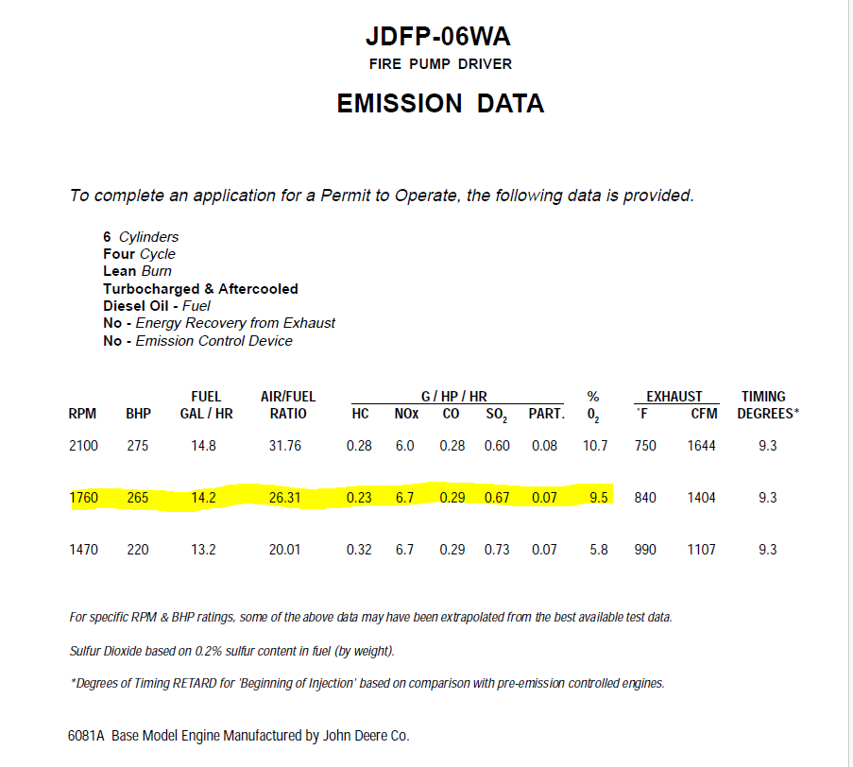
 |  |  |  |  |  | 1.96 | MMBtu/hr
Criteria Pollutants -Manufacturer Calculations
Pollutant | Emission Factor (g/HP-hr)* | Emission Factor (lbs/HP-hr) | Operating Hours | lbs/hr | tons/yr
NOX | 6.7 | 0.0148 | 500 | 3.91 | 0.98
CO | 0.29 | 6.39E-04 | 500 | 0.17 | 0.04
SO2 | 0.67 | 1.48E-03 | 500 | 0.39 | 0.10
PM/PM10 | 0.07 | 1.54E-04 | 500 | 0.04 | 0.01
VOC | 0.23 | 5.07E-04 | 500 | 0.13 | 0.03
*Based on Manufacturer data

HAP Calculations
HAP | Emission Factor* (lb/MMBtu) | Operating Hours | lbs/hr | tons/yr
1,3-butadiene | 3.91E-05 | 500 | 7.66E-05 | 1.92E-05
Acetaldehyde | 7.67E-04 | 500 | 1.50E-03 | 3.76E-04
Acrolein | 9.25E-05 | 500 | 1.81E-04 | 4.53E-05
Benzene | 9.33E-04 | 500 | 1.83E-03 | 4.57E-04
Formaldehyde | 1.18E-03 | 500 | 2.31E-03 | 5.78E-04
PAH | 1.68E-04 | 500 | 3.29E-04 | 8.23E-05
Toluene | 4.09E-04 | 500 | 8.01E-04 | 2.00E-04
Xylene | 2.85E-04 | 500 | 5.58E-04 | 1.40E-04
*AP-42 Table 3.3-2

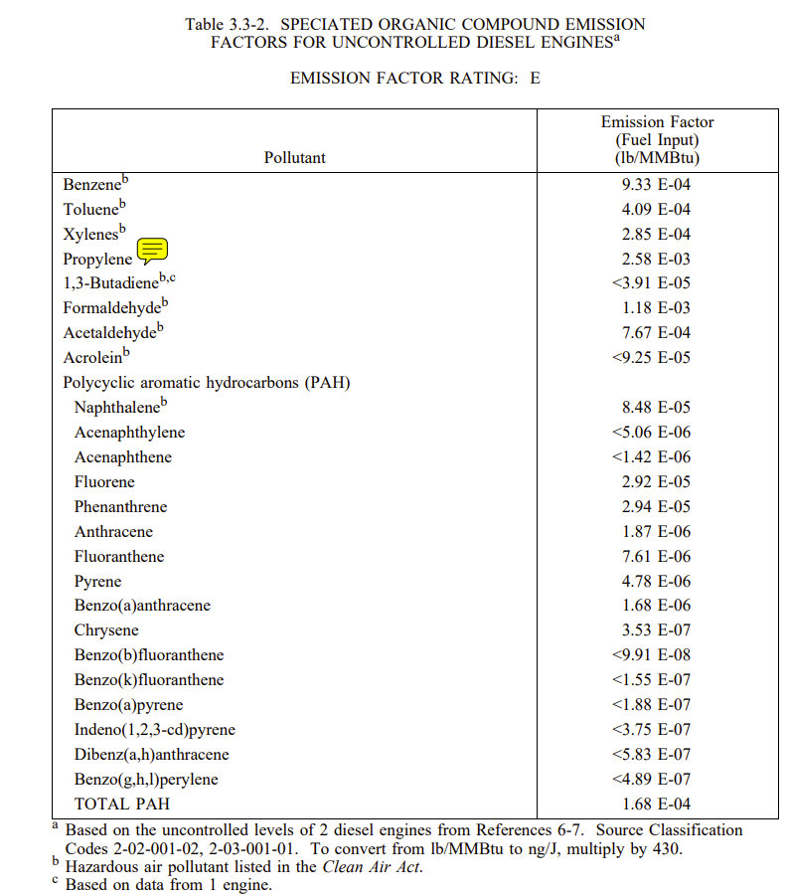
GHG Calculations
GHG | Emission Factor* (lb/MMBtu) | Operating Hours | lbs/hr | tons/yr
CO2 | 163.05 | 500 | 319.52 | 79.88
CH4 | 0.0066 | 500 | 1.30E-02 | 3.24E-03
N2O | 0.0013 | 500 | 2.59E-03 | 6.48E-04
*40 CFR Part 98 Table C-1 and C-2.

